2 Example Financial Statement
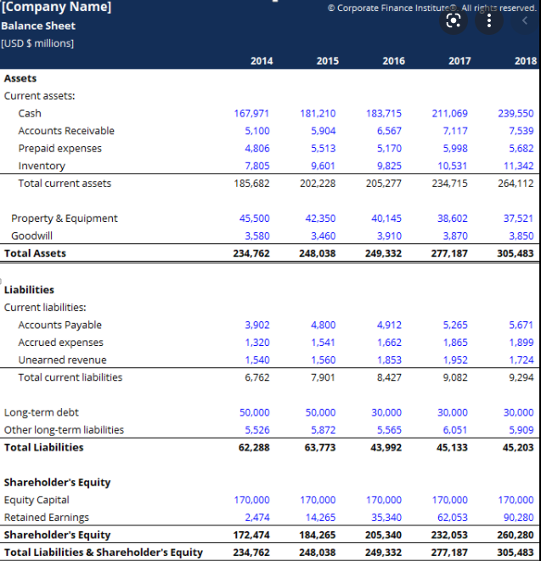

3 Input Financial Statement
Input values (from the Financial Statement of your organization)

1. | Project duration (years)
2. | Interreg funds requested (EUR)

3 | Input currency (the currency of your Financial Statement)
4. | Exchange rate at the closing date of the last financial period |  | 1.00000

Statement of financial position
 |  |  | EUR
5. | Net fixed assets (Fixed assets less depreciation) |  | 0.00
6. | Current assets (maturity less than one year) |  | 0.00
7. | Cash and cash equivalents |  | 0.00
Total assets |  | 0.00 | 0.00
8. | Equity (equity capital +retained earnings) |  | 0.00
10. | Long term debt (maturity above one year) |  | 0.00
11. | Current liabilities & provisions (maturity less than one year) |  | 0.00
Total equity and liabilities |  | 0.00 | 0.00

Project duration: duration in years of the project implementation (e.g. for 30 months , 2.5 should be entered, for 15 months. 1.25 should be entered)
Interreg funds requested: the amount of the Interreg funds to be requested
Exchange rate: exchange rate at the closing date of the last financial period. If you use EUR please indicate 1. If you use another currency (only Danube Programme Member States) please indicate the exchange rate from info EURO (http://ec.europa.eu/budget/inforeuro ) of the month of closing of the last financial period.
Currency: currency in which the financial information is submitted. Please enter abbreviation.
Net fixed assets: are the capitalised assets after deduction of accumulated depreciation and amortization. They typically include buildings, equipment and/or participations in affiliates.
Current assets: are all other assets with a maturity of less than a year, with the exception of cash and cash equivalents provided on a separate line. Typically, it is accounts receivable, inventory and/or prepaid expenses.
Cash and cash equivalents are assets that are cash or can be converted into cash immediately.
Equity: capital equity + retained earnings
Long term debt: is the portion of liabilities with a maturity of more than a year.
Current liabilities & provisions are debts with a maturity of less than a year.
Balance: please check that Total assets and Total equity and liabilities should match.
Additional info on input values

